Sheet1
 |  | Document No. | Issue No. | Issue Date |  | Review and Replace Date |  | Authorised By
 |  | GFF037MC | 3 | 29.10.2018 |  | 15.07.2020
 |  | Document Title | 12 Lancashire Cheese & Damson Jelly Parcels 240g
 |  | shelf life updated |  |  | Page |  | 1 of 1 | Magda Shah
Document amendments reason for change |  |  |  |  | Previous Issue Date |  | 23.10.2019 | Uncontrolled copy unless signed original

CLCDJP-R1TEB | BOOTHS - XMAS |  | 12 LANCASHIRE CHEESE & DAMSON JELLY PARCELS 240g
STEP 1 |  |  |  |  | STEP 2
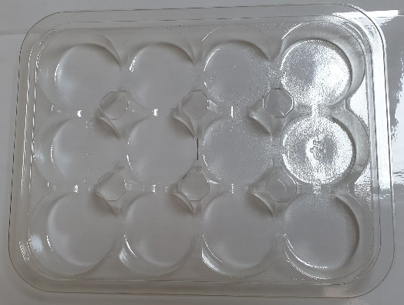 |  |  |  |  | 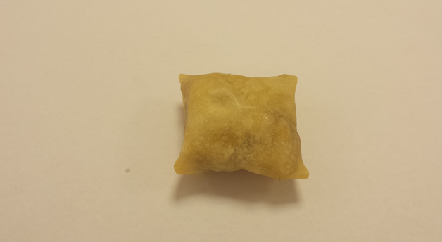

Tray: C5 12 CAV Round - CLEAR (PKHOL001-06) |  |  |  |  | 12 x Lancashire Cheese & Damson Jelly Parcels (GFF171R) 20g
Film: ME410A Antifog WELD seal (PKPRO001-12) (PROMENS)
STEP 3
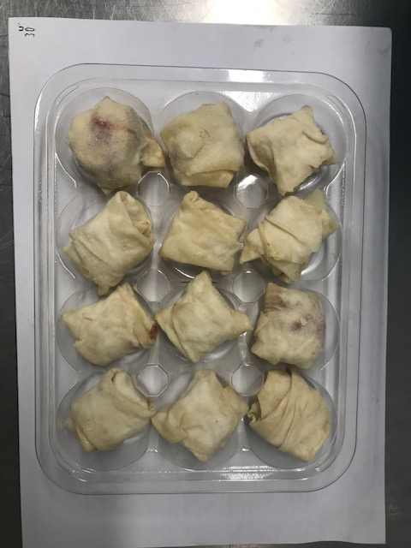
DEFROST DAY + 16 DAYS

TOTAL WEIGHT: 240g

ALLERGY ALERT: MILK, WHEAT

